Overview
ETH Exam Preparation Planner - Summersession (SS)
www.ethz.ch/counselling-coaching
This excel workbook contains six worksheets.
Follow the instructions.
Adjust the amount of subjects to your needs, eliminate excess rows and columns.

Sheets 1-4; 6 contain cell references.
Sheet name | Content | Printing format
1 ETH Study Chart | Overview of subjects, goals and assigned learning time | A4, landscape
2 ETH Study Plan (learning) | Learning plan (incl. buffer and repetition time) | A3, landscape
3 ETH Study Plan (examination) | Learning plan for examination phase | A4, portrait
Sheet 5 can be multiplied as many times as needed.
4 ETH Subject Planner | Subject syllabus & exam details | A4, portrait
5 ETH Weekly Timetable | Weekly study plan | A4, landscape
6 ETH Learning Evaluation | Performance review & outlook | A4, portrait

Instruction
ETH Exam Preparation Planner - Instruction

Step 1 | Step 3 | Step 6 | Step 8
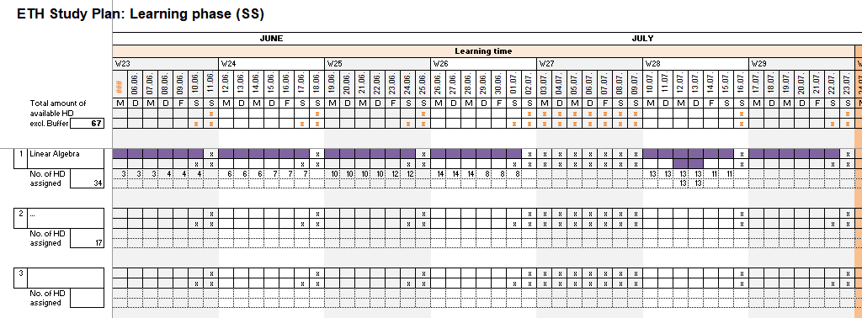
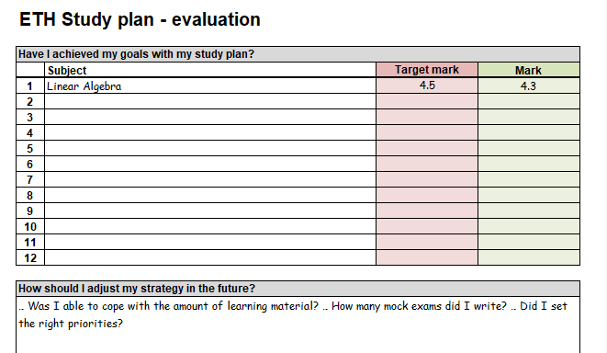

Step 1
Start in sheet 1.
Define realistic goals and target marks, enter current learning state, mark weighting (MW) and personal weighting per subject.
Criteria for personal weighting:
- Goals
- Status quo
- MV
- Grades from interim examinations, bonus points etc.
- Further criteria ...
Subject names are transferred to sheet 2, 3, 4 and 6.
Go to sheet 2.
Step 3
Adjust personal weightings if necessary.
The amount of assigned half days per subject (column H) is calculated automatically based on personal weightings.
Go to sheet 2.

Step 6
Assign topics from sheet 4 to learning HD according to priorities.
Go to sheet 5.

 | Step 4

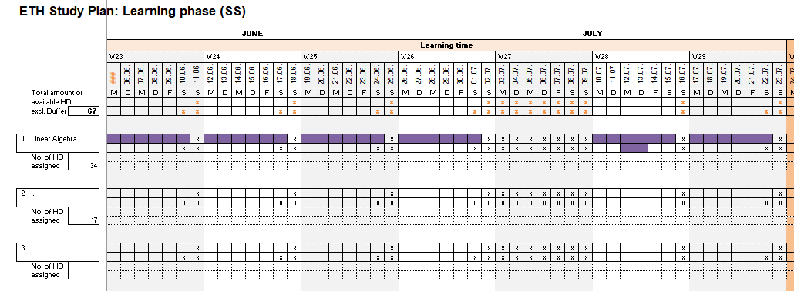
Step 8:
Compare target marks with achieved ones.
Write down personal take away messages.
 |  | Step 7
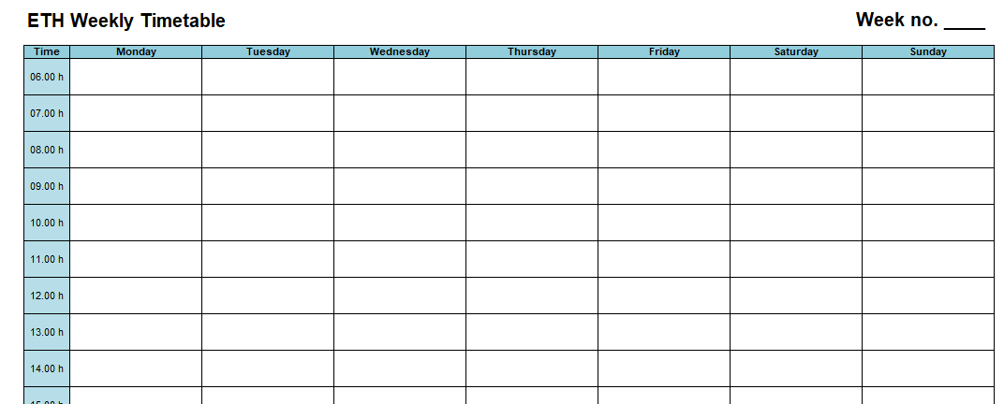

Step 2
Step 2 (2.1- 2.3)
Assume max. of available half days (HD):
Sheet 2: Learning time excl. buffer or repetition time
Sheet 3: Whole examination phase

Step 4
When do you work on what subject? Distribute no. of assigned HD per subject to calendar weeks (learning time).
Go to sheet 4.

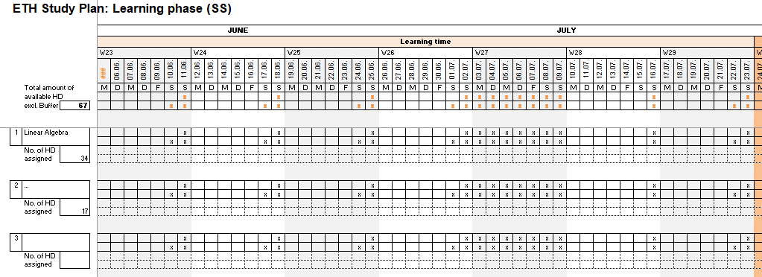
Step 7
Start learning now!
Plan one week at the time. Assign topics and weekly goals from subject planner to working hours.
- When are your 1,5 - 2 days off?
- When is your half day buffer time?
- When are your daily breaks?
- When do you sleep?
Multiply this timetable as many times as needed.

 | Step 5
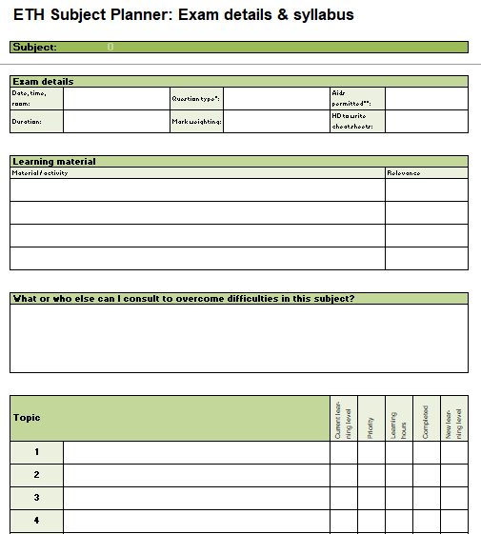

Step 2.1
Enter date of Monday of week 23.
Step 2.2
Cross out off-days (holiday, weekly days off, other events...) to receive the total amount of available learning time in half days.
Off-days are applied automatically to each subject line.
Value (D10) is transmitted to sheet 1 (J19).
Go to sheet 3.

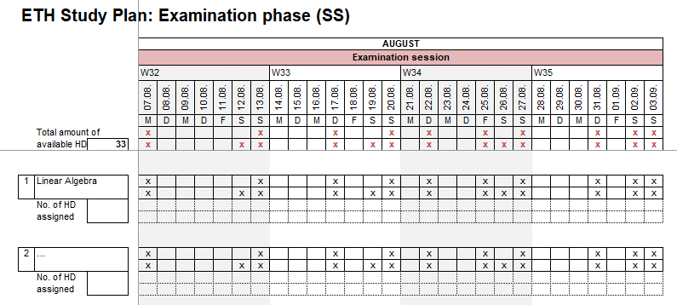

Step 5
Generate overview for each subject.
Go to sheet 2.

Step 2.3
Mark exam dates and cross out off-days (weekly days off, other events...) to receive the total amount of available repetition time during the exam period in half days.
Go to sheet 1.

